Quiz 2
Plant Quiz Week 2

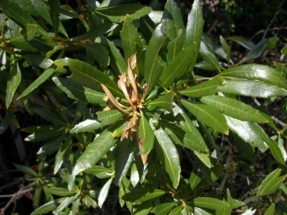
1 | Scientific Name | Common Name

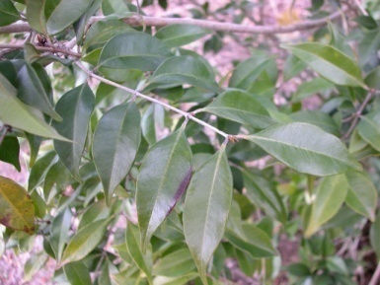
2 | Scientific Name | Common Name

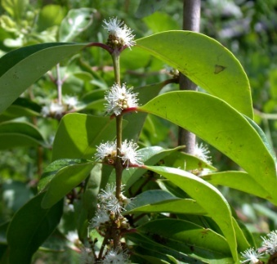
3 | Scientific Name | Common Name

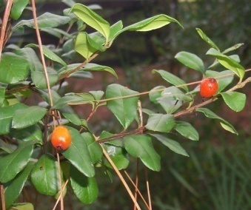
4 | Scientific Name | Common Name

5 | Scientific Name | Common Name

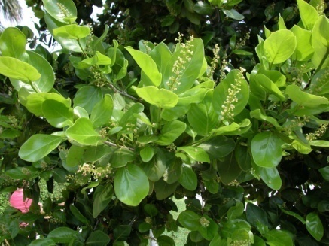
6 | Scientific Name | Common Name

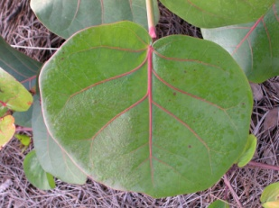
7 | Scientific Name | Common Name

8 | Scientific Name | Common Name

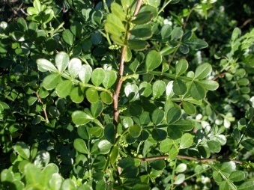
9 | Scientific Name | Common Name

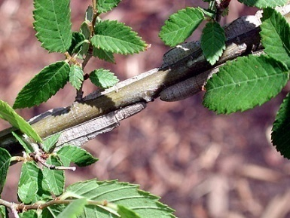
10 | Scientific Name | Common Name

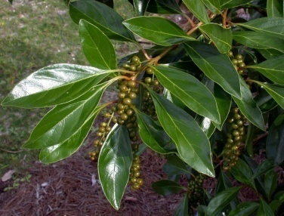
11 | Scientific Name | Common Name

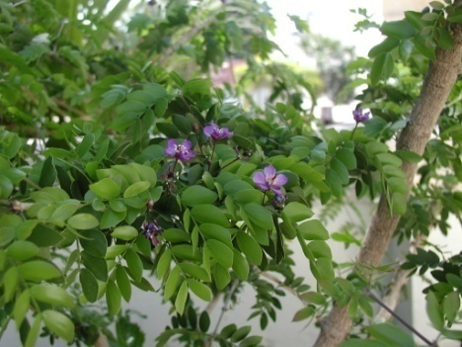
12 | Scientific Name | Common Name

Answer 2
Answers Week 2

 | Your Scientific Answer | Correct Scientific Answer | Your Common Answer | Correct Common Answer

1 | 0 | Myrica cerifera | 0 | Southern Wax Myrtle
2 | 0 | Calyptranthes pallens | 0 | Spicewood | Pale-Lid Flower
3 | 0 | Eugenia axillaris | 0 | White Stopper
4 | 0 | Eugenia foetida | 0 | Spanish Stopper
5 | 0 | Guapira discolor | 0 | Blolly
6 | 0 | Coccoloba diversifolia | 0 | Pigeon Plum
7 | 0 | Coccoloba uvifera | 0 | Sea Grape
8 | 0 | Crataegus flava | 0 | Summer Hawthorn
9 | 0 | Zanthoxylum fagara | 0 | Wild Lime
10 | 0 | Ulmus alata | 0 | Winged Elm
11 | 0 | Citharexylum spinosum | 0 | Fiddlewood
12 | 0 | Guaiacum sanctum | 0 | Lignum Vitae

 | Score | 0.0%

